Small Diesel
Small Diesel with limited batteries |  |  |  |  |  |  |  | Total Load (MWh): | 437087.07
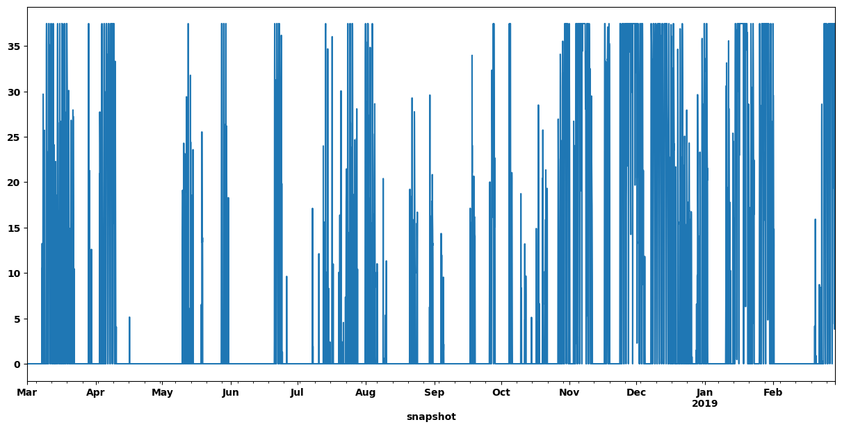
No Restrictions | Inputs |  | Results |  |  |  |  |  |  |  |  |  | Presentable Results | Small Diesel Contribution
Generators | Capital Cost ($/MW) | Marginal Cost ($/MWh) | MW | Cost ($) | Energy Generation (MWh) | Capacity Factor | Max/min? |  |  |  |  |  |  | Scenarios | No Restrictions | 10 MW Diesel | 5 MW Diesel | 3 MW Diesel
Wind | $116,276.00 |  | 90 | $10,464,840.00 | 299650 | 38.0% | none |  |  |  |  |  |  | LCOE ($/MWh) | 83.46 | 106.97 | 119.20 | 120.66
PV | $75,772.00 |  | 107 | $8,107,604.00 | 88618 | 9.5% | none |  |  |  |  |  |  | Land Use (km^2) | 1.8 | 4.3 | 5.701 | 5.675
CSP Solar Field | $226,540.00 |  | 0 | $- | 0 | #DIV/0! | none |  |  |  |  |  |  | Solar PV (MW) | 107 | 239 | 306 | 306
Diesel | $154,460.00 | 170 | 38.5 | $14,843,830.00 | 52336 | 15.5% | none |  |  |  |  |  |  | Wind (MW) | 90 | 51 | 57 | 69
 |  |  |  |  |  |  |  |  |  |  |  |  |  | CSP Solar Field (MW) | 0 | 10 | 19 | 18
Batteries | Capital Cost ($/MWh) | e_initial | MWh |  | Hours of Storage |  | Max/min? |  |  |  |  |  |  | CSP Turbine (MW) | 0 | 60 | 60 | 60
Utility | $15,700.00 | 0 | 195 | $3,061,500.00 | 2.79 |  | none |  |  |  |  |  |  | Diesel (MW) | 38.5 | 10 | 5 | 3
Thermal Storage | $4,290.00 | 0 | 0 | $- | 0.00 |  | none |  |  |  |  |  |  | Utility Storage (MWh)/Hours of Storage | 182/2 | 420/6 | 420/6 | 420/6

Links | Capital Cost ($/MW) |  | MW |  |  |  | Max/min?
CSP Turbine | $65,216.00 |  | 0 | $- |  |  | none
 |  |  | Cost: | $36,477,774.00 |  | LCOE ($/MWh): | 83.46 |  |  |  |  |  |  | CSP Thermal Storage (MWh)/Hours of Storage | 0 | 1433/23.9hr | 1680/24 | 1680/24
 |  |  |  |  | 88% | Land Use (km^2): | 1.819 |  |  |  |  |  |  | Renewable Energy Penetration (%) | 88 | 97 | 99 | 99.6
 |  |  |  |  | ^Renewable Penetration^

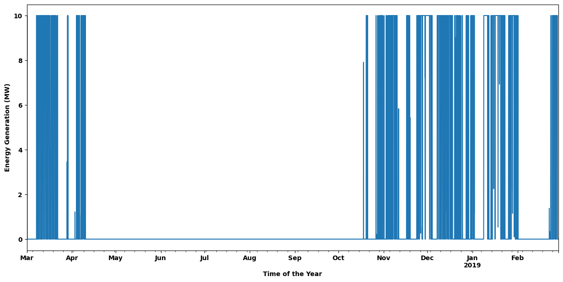
10 MW Diesel | Inputs |  | Results
Generators | Capital Cost ($/MW) | Marginal Cost ($/MWh) | MW | Cost ($) | Energy Generation (MWh) | Capacity Factor | Max/min?
Wind | $116,276.00 |  | 51 | $5,930,076.00 | 191068 | 42.8% | none
PV | $75,772.00 |  | 239 | $18,109,508.00 | 228223 | 10.9% | none
CSP Solar Field | $226,540.00 |  | 10 | $2,265,400.00 | 15484 | 17.7% | none
Diesel | $154,460.00 | 170 | 10 | $3,794,890.00 | 13237 | 15.1% | max

Batteries | Capital Cost ($/MWh) | e_initial | MWh |  | Hours of Storage |  | Max/min?
Utility | $15,700.00 | 1 | 420 | $6,594,000.00 | 6 |  | max
Thermal Storage | $4,290.00 | 0 | 1433 | $6,147,570.00 | 23.88 |  | none

Links | Capital Cost ($/MW) |  | MW |  |  |  | Max/min?
CSP Turbine | $65,216.00 |  | 60 | $3,912,960.00 |  |  | none
 |  |  | Cost: | $46,754,404.00 |  | LCOE ($/MWh): | 106.97
 |  |  |  |  | 97% | Land Use (km^2): | 4.325
 |  |  |  |  | ^Renewable Penetration^

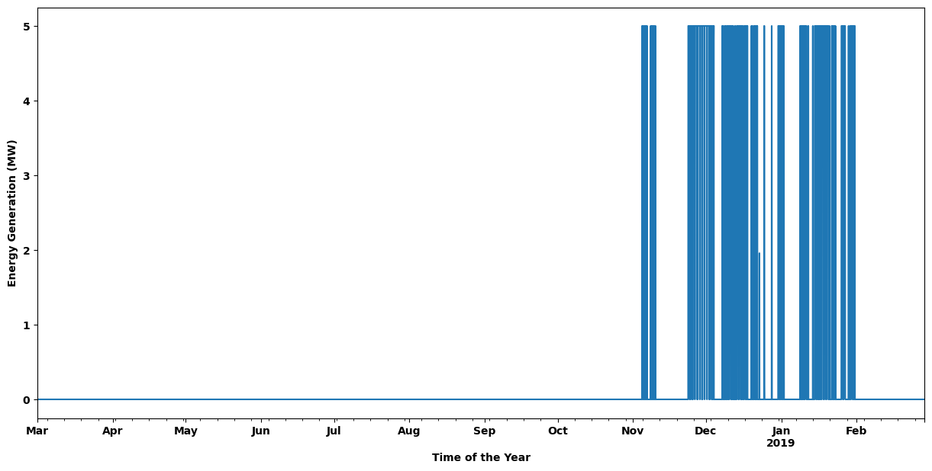
5 MW Diesel | Inputs |  | Results
Generators | Capital Cost ($/MW) | Marginal Cost ($/MWh) | MW | Cost ($) | Energy Generation (MWh) | Capacity Factor | Max/min?
Wind | $116,276.00 |  | 57 | $6,627,732.00 | 213086 | 42.7% | none
PV | $75,772.00 |  | 306 | $23,186,232.00 | 203460 | 7.6% | none
CSP Solar Field | $226,540.00 |  | 19 | $4,304,260.00 | 26752 | 16.1% | none
Diesel | $154,460.00 | 170 | 5 | $1,297,430.00 | 3089 | 7.1% | max

Batteries | Capital Cost ($/MWh) | e_initial | MWh |  | Hours of Storage |  | Max/min?
Utility | $15,700.00 | 22 | 420 | $6,594,000.00 | 6.00 |  | max
Thermal Storage | $4,290.00 | 222 | 1440 | $6,177,600.00 | 20.57 |  | max

Links | Capital Cost ($/MW) |  | MW |  |  |  | Max/min?
CSP Turbine | $65,216.00 |  | 60 | $3,912,960.00 |  |  | none
 |  |  | Cost: | $52,100,214.00 |  | LCOE ($/MWh): | 119.20
 |  |  |  |  | 99% | Land Use (km^2): | 5.701
 |  |  |  |  | ^Renewable Penetration^

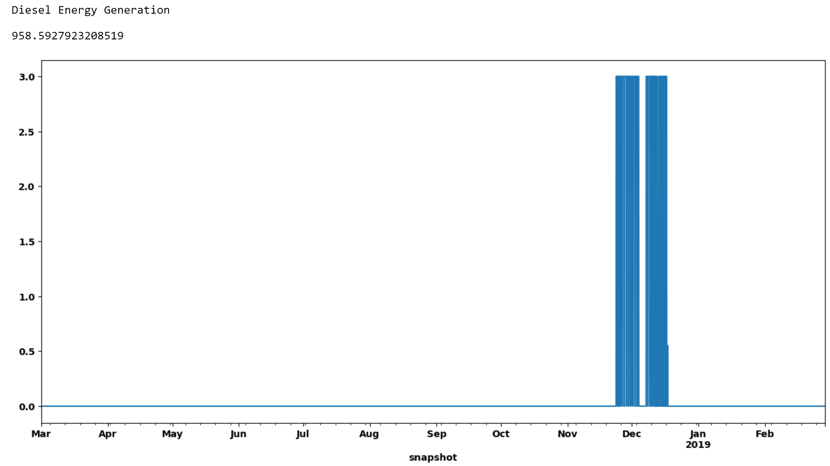
3 MW Diesel | Inputs |  | Results
Generators | Capital Cost ($/MW) | Marginal Cost ($/MWh) | MWh | Cost ($) | Energy Generation (MWh) | Capacity Factor | Max/min?
Wind | $116,276.00 |  | 69 | $8,023,044.00 | 248211 | 41.1% | none
PV | $75,772.00 |  | 306 | $23,186,232.00 | 165430 | 6.2% | none
CSP Solar Field | $226,540.00 |  | 18 | $4,077,720.00 | 28770 | 18.2% | none
Diesel | $154,460.00 | 170 | 3 | $765,300.00 | 1776 | 6.8% | max

Batteries | Capital Cost ($/kWh) | e_initial | MWh |  | Hours of Storage |  | Max/min?
Utility | $15,700.00 | 0 | 420 | $6,594,000.00 | 6 |  | max
Thermal Storage | $4,290.00 | 1 | 1440 | $6,177,600.00 | 20.571428571 |  | max

Links | Capital Cost ($/MW) |  | MW |  |  |  | Max/min?
CSP Turbine | $65,216.00 |  | 60 | $3,912,960.00 |  |  | none
 |  |  | Cost: | $52,736,856.00 |  | LCOE ($/MWh): | 120.66
 |  |  |  |  | 99.6% | Land Use (km^2): | 5.675
 |  |  |  |  | ^Renewable Penetration^

86% Renewable Penetration - Any | Inputs |  | Results
Generators | Capital Cost ($/MW) | Marginal Cost ($/MWh) | MWh | Cost ($) | Energy Generation (MWh) | Capacity Factor | Max/min?
Wind | $116,276.00 |  | 34 | $3,953,384.00 | 127637 | 42.9% | none |  |  |  |  |  |  | Constant 7 MW Diesel Contribution
PV | $75,772.00 |  | 273 | $20,685,756.00 | 258656 | 10.8% | none |  |  |  |  |  |  | Scenarios | No Restrictions | No Hydrogen | No Hydrogen or CSP
CSP Solar Field | $226,540.00 |  | 7 | $1,585,780.00 | 9843 | 16.1% | none |  |  |  |  |  |  | LCOE ($/MWh) | 126.42 | 131.11 | 146.82
Diesel | $154,460.00 | 170 | 7 | $11,505,620.00 | 61320 | 100.0% | max |  |  |  |  |  |  | Land Use (km^2) | 4.8 | 5.0 | 6.442
 |  |  |  |  |  |  |  |  |  |  |  |  |  | Solar PV (MW) | 273 | 274 | 379
Batteries | Capital Cost ($/kWh) | e_initial | MWh |  | Hours of Storage |  | Max/min? |  |  |  |  |  |  | Wind (MW) | 34 | 38 | 28
Utility | $15,700.00 | 78 | 473 | $7,426,100.00 | 6.8 |  | max |  |  |  |  |  |  | CSP Solar Field (MW) | 7 | 14 | N/A
Thermal Storage | $4,290.00 | 237 | 846 | $3,629,340.00 | 23.8 |  | max |  |  |  |  |  |  | CSP Turbine (MW) | 35.5 | 60 | N/A
Hydrogen Storage | $2,860.00 | 6 | 1123 | $3,211,780.00 | 140.4 |  | max |  |  |  |  |  |  | Utility Storage (MWh)/Hours of Storage | 473/6.8 | 488/7 | 1318/18.8
 |  |  |  |  |  |  |  |  |  |  |  |  |  | CSP Thermal Storage (MWh)/Hours of Storage | 463/6.6 | 1337/19.1 | N/A
Links | Capital Cost ($/MW) |  | MW |  |  |  | Max/min? |  |  |  |  |  |  | Hydrogen Storage (MWh)/Hours of Storage | 1804/129 | N/A | N/A
CSP Turbine | $65,216.00 |  | 35.5 | $2,315,168.00 |  |  | none |  |  |  |  |  |  | Hydrogen Electrolyzer (MW) | 8 | N/A | N/A
Hydrogen Electrolyzer | $85,810.00 |  | 7 | $600,670.00 |  |  | none
Hydrogen Fuel Cell | $42,910.00 |  | 8 | $343,280.00 |  |  | none |  |  |  |  |  |  | Hydrogen Fuel Cell (MW) | 14 | N/A | N/A
 |  |  | Cost: | $55,256,878.00 |  | LCOE ($/MWh): | 126.42
 |  |  |  |  | 86.0% | Land Use (km^2): | 4.824
 |  |  |  |  | ^Renewable Penetration^

86% Renewable Penetration - No Hydrogen | Inputs |  | Results
Generators | Capital Cost ($/MW) | Marginal Cost ($/MWh) | MWh | Cost ($) | Energy Generation (MWh) | Capacity Factor | Max/min?
Wind | $116,276.00 |  | 38 | $4,418,488.00 | 248211 | 74.6% | none
PV | $75,772.00 |  | 274 | $20,761,528.00 | 165430 | 6.9% | none
CSP Solar Field | $226,540.00 |  | 14 | $3,171,560.00 | 28770 | 23.5% | none
Diesel | $154,460.00 | 170 | 7 | $11,505,620.00 | 61320 | 100.0% | max

Batteries | Capital Cost ($/kWh) | e_initial | MWh |  | Hours of Storage |  | Max/min?
Utility | $15,700.00 | 61 | 476 | $7,473,200.00 | 6.8 |  | max
Thermal Storage | $4,290.00 | 0 | 1413 | $6,061,770.00 | 23.55 |  | max

Links | Capital Cost ($/MW) |  | MW |  |  |  | Max/min? |  |  |  |  |  |  | Hydrogen Storage (MWh)/Hours of Storage | 1804/129 | N/A | N/A
CSP Turbine | $65,216.00 |  | 60 | $3,912,960.00 |  |  | none |  |  |  |  |  |  | Hydrogen Electrolyzer (MW) | 8 | N/A | N/A
 |  |  | Cost: | $57,305,126.00 |  | LCOE ($/MWh): | 131.11
 |  |  |  |  | 86.0% | Land Use (km^2): | 5.025
 |  |  |  |  | ^Renewable Penetration^

86% Renewable Penetration - No Hydrogen or CSP | Inputs |  | Results
Generators | Capital Cost ($/MW) | Marginal Cost ($/MWh) | MWh | Cost ($) | Energy Generation (MWh) | Capacity Factor | Max/min?
Wind | $116,276.00 |  | 28 | $3,255,728.00 | 105062 | 42.8% | none
PV | $75,772.00 |  | 379 | $28,717,588.00 | 285542 | 8.6% | none
Diesel | $154,460.00 | 170 | 7 | $11,505,620.00 | 61320 | 100.0% | max

Batteries | Capital Cost ($/kWh) | e_initial | MWh |  | Hours of Storage |  | Max/min?
Utility | $15,700.00 | 907 | 1318 | $20,692,600.00 | 18.8 |  | max
 |  |  | Cost: | $64,171,536.00 |  | LCOE ($/MWh): | 146.82
 |  |  |  |  | 86.0% | Land Use (km^2): | 6.442
 |  |  |  |  | ^Renewable Penetration^
MC - Marginal Cost

No Restrictions - Higher Diesel MC | Inputs |  | Results |  |  |  |  |  | Sensitivity Tests
Generators | Capital Cost ($/MW) | Marginal Cost ($/MWh) | MW | Cost ($) | Energy Generation (MWh) | Capacity Factor | Max/min? |  | Scenarios | No Restrictions | Solar PV CAPEX Increased | Solar PV CAPEX Decreased
Wind | $116,276.00 |  | 52 | $6,046,352.00 | 194497 | 42.7% | none |  | LCOE ($/MWh) | 127.16 | 158.26 | 108.01
PV | $75,772.00 |  | 367 | $27,808,324.00 | 236959 | 7.4% | none |  | Land Use (km^2) | 6.6 | 7.3 | 8.2
CSP | $226,540.00 |  | 12 | $2,718,480.00 | 17595 | 16.7% | none |  | Solar PV (MW) | 367 | 341 | 461
Diesel | $154,460.00 | 240 | 0 | $- | 0 | #DIV/0! | none |  | Wind (MW) | 52 | 25 | 25
 |  |  |  |  |  |  |  |  | CSP Solar Field (MW) | 12 | 57 | 15
Batteries | Capital Cost ($/MWh) | e_initial | MWh |  | Hours of Storage |  | Max/min? |  | CSP Turbine (MW)
Utility | $15,700.00 | 59 | 568 | $8,917,600.00 | 8.11 |  | none |  | Diesel (MW) | 0 | N/A | N/A
Thermal Storage | $4,290.00 | 34 | 1440 | $6,177,600.00 | 20.57 |  | none |  | Utility Storage (MWh)/Hours of Storage | 420/6 | 420/6 | 555/7.9
 |  |  |  |  |  |  |  |  | CSP Thermal Storage (MWh)/Hours of Storage | 1680/24 | 1680/24 | 1631/23.3
Links | Capital Cost ($/MW) |  | MW |  |  |  | Max/min? |  |  |  |  |  |  | Hydrogen Storage (MWh)/Hours of Storage | 1804/129 | N/A | N/A
CSP Turbine | $65,216.00 |  | 60 | $3,912,960.00 |  |  | none |  |  |  |  |  |  | Hydrogen Electrolyzer (MW) | 8 | N/A | N/A
 |  |  | Cost: | $55,581,316.00 |  | LCOE ($/MWh): | 127.16
 |  |  |  |  | 100% | Land Use (km^2): | 6.553
 |  |  |  |  | ^Renewable Penetration^

